Sheet1
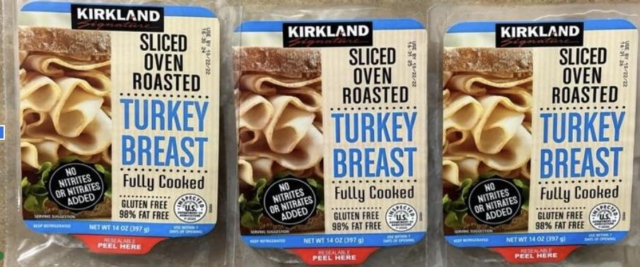
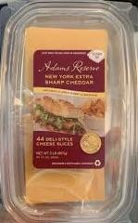
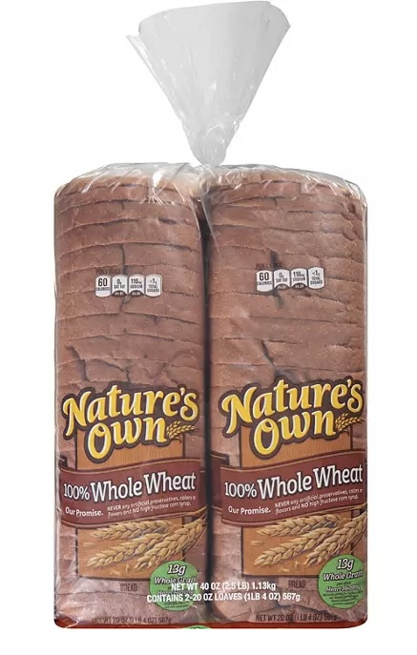
Number of Sandwiches | 1 | 10 | 20 | 30 | 40 | 50 | 60 | 70 | 80 | 90 | 100 | 150 | 200 | 300 | 400 | 500 | 600 | 700 | 800 | 900 | 1000 | 1500 | 2000 | 3000
Ingredients: 2 slices of cheese, 2 slices of bread, 3 ounces of meat, and 1 zip locking sandwich bag
cheese | 2 | 20 | 40 | 60 | 80 | 100 | 120 | 140 | 160 | 180 | 200 | 300 | 400 | 600 | 800 | 1000 | 1200 | 1400 | 1600 | 1800 | 2000 | 3000 | 4000 | 6000
bread | 2 | 20 | 40 | 60 | 80 | 100 | 120 | 140 | 160 | 180 | 200 | 300 | 400 | 600 | 800 | 1000 | 1200 | 1400 | 1600 | 1800 | 2000 | 3000 | 4000 | 6000
meat (turkey or ham) | 3 | 30 | 60 | 90 | 120 | 150 | 180 | 210 | 240 | 270 | 300 | 450 | 600 | 900 | 1200 | 1500 | 1800 | 2100 | 2400 | 2700 | 3000 | 4500 | 6000 | 9000
zip locking sandwich baggie | 1 | 10 | 20 | 30 | 40 | 50 | 60 | 70 | 80 | 90 | 100 | 150 | 200 | 300 | 400 | 500 | 600 | 700 | 800 | 900 | 1000 | 1500 | 2000 | 3000
*gloves (one to two pairs per person. You will need extra gloves.)
*hairties as needed

Costco - number of packs needed:
Kirkland turkey 3-Packs (total 42 ounces) | <1 | <1 | 2 | 2 | 3 | 4 | 5 | 5 | 6 | 7 | 7 | 11 | 15 | 22 | 29 | 36 | 43 | 50 | 57 | 66 | 72 | 107 | 143 | 214
Kirkland ham 2-Packs (total 48 ounces) | <1 | <1 | 2 | 2 | 3 | 3 | 4 | 5 | 5 | 6 | 7 | 10 | 13 | 19 | 25 | 31 | 38 | 44 | 50 | 57 | 63 | 94 | 125 | 188
Adams Reserve cheese (total 44 slices) (deli section) | <1 | <1 | 1 | 2 | 2 | 2 | 3 | 3 | 4 | 4 | 5 | 7 | 9 | 14 | 18 | 23 | 28 | 32 | 37 | 41 | 46 | 68 | 91 | 137
Nature's Own Whole Wheat 2-Packs (total 40 slices = 20 sandwiches) | <1 | <1 | 1 | 1.5 | 2 | 2.5 | 3 | 3.5 | 4 | 4.5 | 5 | 7.5 | 10 | 15 | 20 | 25 | 30 | 35 | 40 | 45 | 50 | 75 | 100 | 150

Cost per sandwich Ingredients:
Approximate cost per turkey sandwich - $1.48 | $1.48 | $14.80 | $29.60 | $44.40 | $59.20 | $74.00 | $88.80 | $103.60 | $118.40 | $133.20 | $148.00 | $222.00 | $296.00 | $444.00 | $592.00 | $740.00 | $888.00 | $1,036.00 | $1,184.00 | $1,332.00 | $1,480.00 | $2,220.00 | $2,960.00 | $4,440.00
Approximate cost per ham sandwich - $1.27 | $1.27 | $12.70 | $25.40 | $38.10 | $50.80 | $63.50 | $76.20 | $88.90 | $101.60 | $114.30 | $127.00 | $190.50 | $254.00 | $381.00 | $508.00 | $635.00 | $762.00 | $889.00 | $1,016.00 | $1,143.00 | $1,270.00 | $1,905.00 | $2,540.00 | $3,810.00

